2011 Month
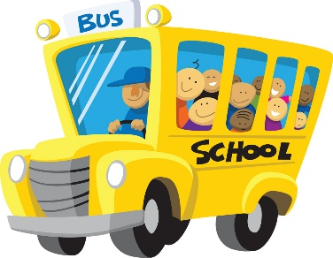
PRESCHOOL/ PRE K 1+ 2
SEPTEMBER 2026 |  |  |  |  |  |  | 
Sunday | Monday | Tuesday | Wednesday | Thursday | Friday | Saturday | Notes
 |  | 1900-01-01 | 1900-01-02 | 1900-01-03 | 1900-01-04 | 1900-01-05
 |  |  |  |  |  |  | THEMES:
 |  | My Potato | Different | My Five | Scented |  | Five Senses
 |  | Head.. 5 Senses | Texture Hands | Senses | Paint |  | Back to School
 |  |  |  |  |  |  | All About Me
 |  |  |  |  |  |  | Johnny Appleseed
1900-01-06 | 1900-01-07 | 1900-01-08 | 1900-01-09 | 1900-01-10 | 1900-01-11 | 1900-01-12 | Massachusetts
 |  |  |  |  |  |  | Space
 | CLOSED | My First | My First | Crayon | Back to
 |  | Day Picture! | Day of School | Craft | School Paper |  | PORTFOLIOS:
 |  |  | Paper |  | Plate |  | Letters: A,B,C
 |  |  |  |  |  |  | Number:1
1900-01-13 | 1900-01-14 | 1900-01-15 | 1900-01-16 | 1900-01-17 | 1900-01-18 | 1900-01-19 | Color: Yellow
 |  |  |  |  |  |  | Shape:Rectangle
 | All About | All About me | All About Me | All About Me | Fingerprint |  | Skill: Line Tracing
 | Me Paper | Caterpillar | Ice Cream | Poster | Counting |  | Nursery Rhyme:
 |  |  |  |  |  |  | Wheels on the Bus
 | Letter; A, B,C | Number; 1 | Skill; Tracing | Shape; Rectangle | Color; Yellow
1900-01-20 | 1900-01-21 | 1900-01-22 | 1900-01-23 | 1900-01-24 | 1900-01-25 | 1900-01-26

 | What is in | Rectangle | Color by Number | Let's Paint | Classroom
 | My School | Person | School Bus | a Bus Yellow | Scavenger
 | Bag |  |  |  | Hunt
 | Color; Yellow | Letter; A,B,C | Number; 1 | Skill; Tracing | Shape; Rectangle
1900-01-27 | 1900-01-28 | 1900-01-29 | 1900-01-30

 | Counting | Color the | Apple Taste
 | Apple Seeds | Massachusetts | Testing
 |  | Flag
 | Number; 1 | Skill; Tracing | Letter; A,B,C

